Sheet1
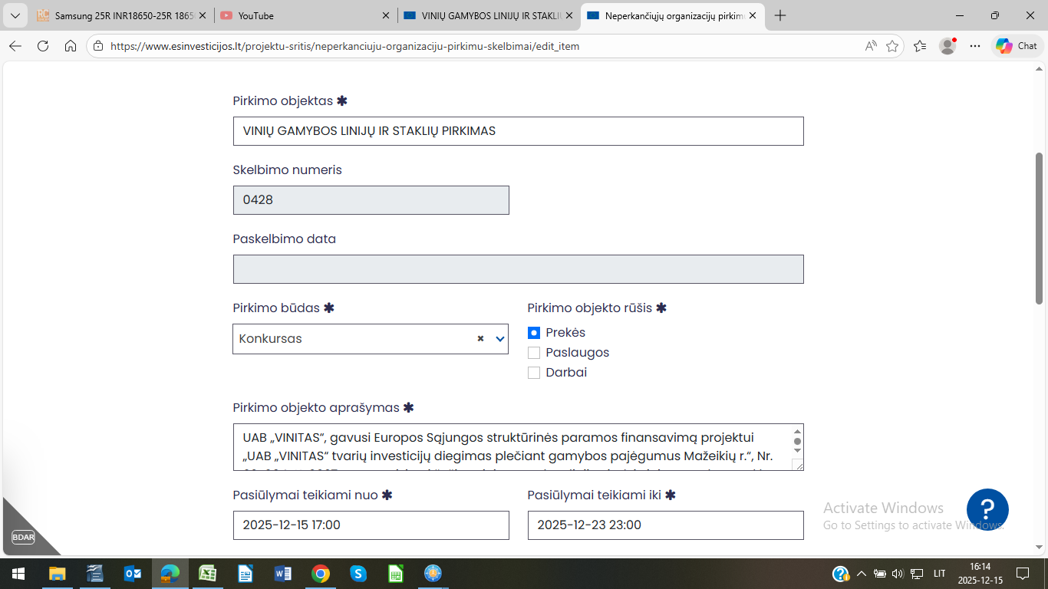
https://www.vinitas.lt/

